Title


DROUGHT MANAGEMENT CALCULATOR
CALCULATOR

Instructions
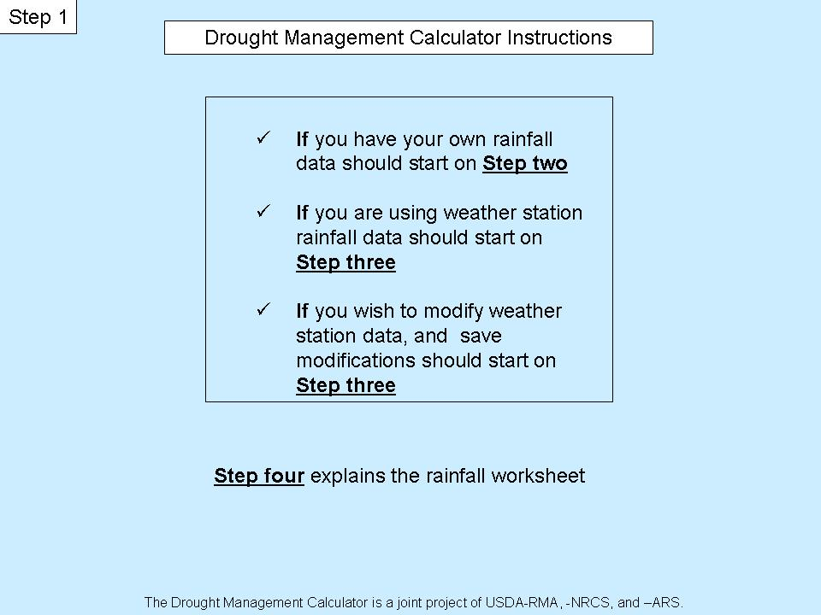
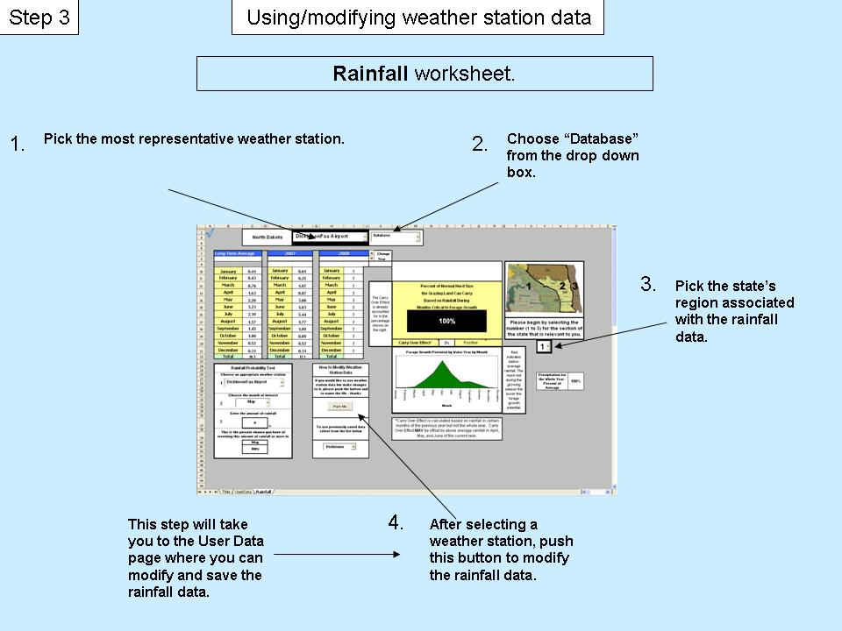

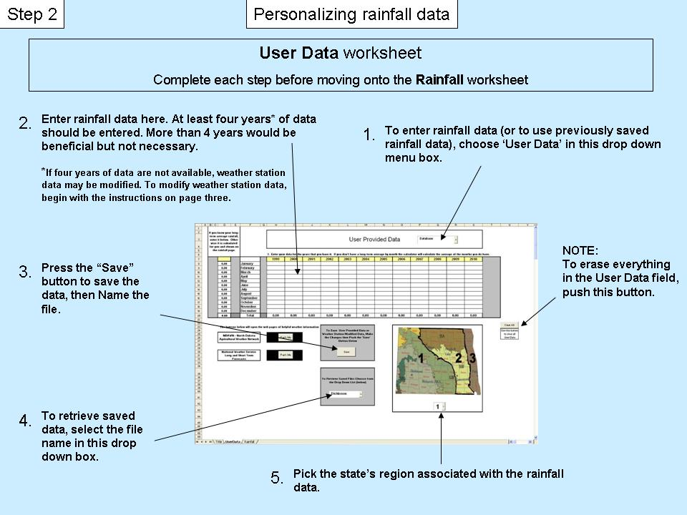
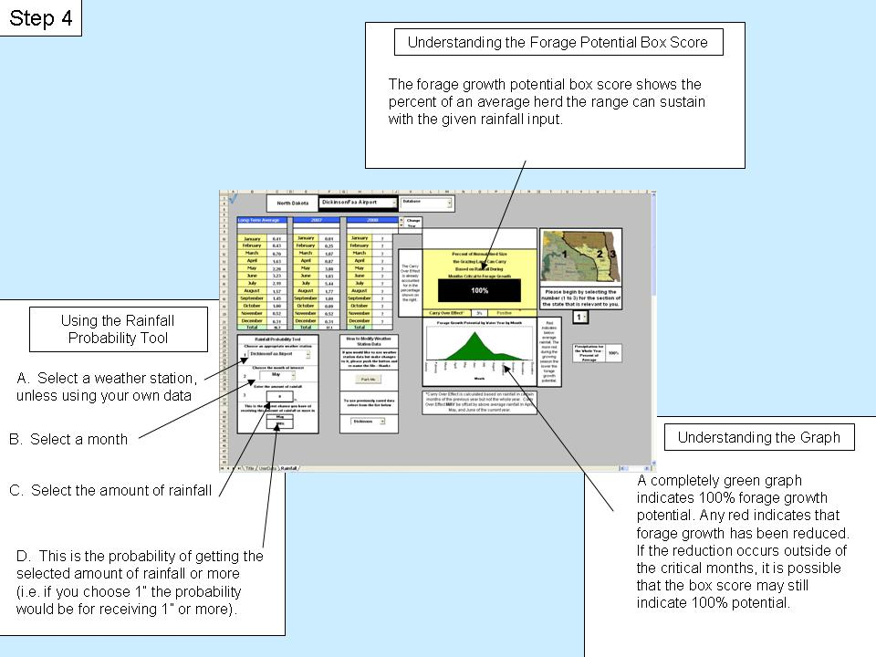

Rainfall
 |  |  |  |  |  |  |  | ?
 | Wyoming

 |  |  |  |  | 4.00
Long-Term Average |  |  | 2007 |  |  | 2008 |  |  | Change
 |  |  |  |  |  |  |  |  | Year
 |  |  | 2006 | 2007 |  | 2007 | 2008
January | 0.27 | 0 | January | 0.04 |  | January | 0.00
February | 0.51 | 0.50913675252 | February | 0.05 |  | February | ?
March | 0.94 | 0.94003206367 | March | 0.07 |  | March | ? |  | The Carry Over Effect is already accounted for in the percentage shown on the right. | Percent of Normal Herd Size
April | 1.68 | 1.6817403583 | April | 0.09 |  | April | ? |  |  | the Grazing Land Can Carry
May | 1.97 | 1.9714955568 | May | 0.12 |  | May | ? |  |  |  |  | Based on Rainfall During
June | 2.24 | 2.2384415691 | June | 0.04 |  | June | ? |  |  |  | Months Critcal to Forage Growth
July | 2.00 |  | July | 0.02 |  | July | ? |  |  |  | 100%
August | 2.18 | 2.1788344738 | August | 0.01 |  | August | ? |  |  |  |  |  |  |  |  | Please begin by selecting the number (1 to 3) for the section of the state that is relevant to you.
September | 1.42 | 1.4198225864 | September | 0.02 |  | September | ?
October | 0.87 | 0.86643044619 | October | 1.01 |  | October | ?
November | 0.70 | 0.70332458443 | November | 0.63 |  | November | ? |  |  | Carry Over Effect* |  |  | -21% | Negative
Forage Growth Potential by Water Year by Month
 | long
0.77 | 0
LT | 0.019712260153
 | 0.048978210881
0.01 | 0.10678958297
0.03 | 0.18042538419
0.07 | 0.059691361312
0.14 | 0.036191885131
0.24 | 0.015360040262
0.08 | 0.019368892396
0.05
0.02
0.03
Forage Growth Potential by Water Year by Month
 | long
January | 0.010012 | 0
February | 0.026593 | 0.019712260153
March | 0.066074 | 0.048978210881
April | 0.144063 | 0.10678958297
May | 0.243401 | 0.18042538419
June | 0.080526 | 0.059691361312
July | 0.048824 | 0.036191885131
August | 0.020721 | 0.015360040262
September | 0.026129 | 0.019368892396
October | 0.008664 | 0.006422575643
November | 0.007033 | 0.00521352333
December | 0.006053 | 0.0044869116197
December | 0.61 | 0.60530183727 | December | 0.77 |  | December | ? |  |  |  |  |  |  |  | Red indicates below average rainfall. The more red during the growing season the lower the forage growth potential.
Total | 15.4 |  | Total | 2.9 | 5 | Total |  | 1

Rainfall Probability Tool |  |  |  |  | How to Modify Weather Station Data |  |  |  |  |  |  |  |  |  |  |  |  |  | 8
1
Choose an appropriate weather station |  |  |  |  |  |  |  |  |  |  |  |  |  |  |  |  | Precipitation for the Whole Year - Percent of Average | 99%
 |  |  |  |  | If you would like to use weather station data but make changes to it, please push the button and re-name the file - thanks
1900-01-01

2
Choose the month of interest

3
 | 0
Enter the amount of rainfall

 | 0 |  | in. |  | To use previously saved data select from the list below |  |  |  |  | *Carry Over Effect is calculated based on rainfall in certain months of the previous year but not the whole year. Carry Over Effect MAY be offset by above average rainfall in April, May, and June of the current year.
This is the percent chance you have of receiving this amount of rainfall or more in

 | July
 | 100%

 |  |  |  |  |  |  |  |  | 1

precipfinal
 |  |  |  |  |  |  |  |  |  |  |  |  |  |  | Current/Past Year Not Converted
 |  | 1999 | 2000 | 2001 | 2002 | 2003 | 2004 | 2005 | 2006 | 2007 | 2008 | 2009 | 2010 |  |  | 2008 | 2007
 | January | 0.41 | 0.02 | 0.54 | 0.66 | 0.13 | 0.09 | 0.52 | 0.27 | 0.04 | 0.00 | 0.27 | 0.27 |  | January | 0.00 | 0.04
 | February | 0.19 | 0.00 | 0.84 | 0.19 | 0.50 | 0.90 | 0.65 | 1.26 | 0.05 | 0.51 | 0.51 | 0.51 |  | February | 0.51 | 0.05
 | March | 0.17 | 2.96 | 1.28 | 0.36 | 0.54 | 1.25 | 1.34 | 0.49 | 0.07 | 0.94 | 0.94 | 0.94 |  | March | 0.94 | 0.07
 | April | 0.53 | 4.45 | 3.71 | 1.10 | 2.26 | 0.68 | 1.84 | 0.48 | 0.09 | 1.68 | 1.68 | 1.68 |  | April | 1.68 | 0.09
 | May | 3.56 | 2.31 | 0.78 | 1.05 | 1.03 | 4.43 | 3.09 | 1.37 | 0.12 | 1.97 | 1.97 | 1.97 |  | May | 1.97 | 0.12
 | June | 4.52 | 2.81 | 2.43 | 1.59 | 2.42 | 1.80 | 2.03 | 2.51 | 0.04 | 2.24 | 2.24 | 2.24 |  | June | 2.24 | 0.04
 | July | 2.71 | 2.12 | 2.57 | 3.99 | 1.04 | 2.04 | 1.79 | 1.70 | 0.02 | 2.00 | 2.00 | 2.00 |  | July | 2.00 | 0.02
 | August | 1.81 | 1.95 | 2.84 | 6.64 | 1.55 | 1.23 | 1.79 | 1.79 | 0.01 | 2.18 | 2.18 | 2.18 |  | August | 2.18 | 0.01
 | September | 2.87 | 0.78 | 0.65 | 1.78 | 2.47 | 0.93 | 1.66 | 1.62 | 0.02 | 1.42 | 1.42 | 1.42 |  | September | 1.42 | 0.02
 | October | 1.20 | 0.49 | 1.55 | 0.94 | 1.78 | 0.33 | 0.09 | 0.41 | 1.01 | 0.87 | 0.87 | 0.87 |  | October | 0.87 | 1.01
 | November | 0.43 | 2.34 | 0.11 | 0.84 | 0.66 | 0.76 | 0.42 | 0.14 | 0.63 | 0.70 | 0.70 | 0.70 |  | November | 0.70 | 0.63
 | December | 0.83 | 0.46 | 0.34 | 0.80 | 0.18 | 0.85 | 0.53 | 0.69 | 0.77 | 0.61 | 0.61 | 0.61 |  | December | 0.61 | 0.77

Quadrant |  | Quadrant | Quadrant | Quadrant | Quadrant | Quadrant |  | Choose |  | Converted | Converted | Converted | Converted | Converted | Converted | Converted | Converted | Converted | Converted | Converted | Converted | Converted
3 | Coefficients | 1 | 2 | 3 | 4 | 5 |  | Quadrant | average | average | 1999 | 2000 | 2001 | 2002 | 2003 | 2004 | 2005 | 2006 | 2007 | 2008 | 2009 | 2010
3 | January | 0.10 | 0.06 | 0.04 | 0.04 |  | January | 0.04 | 0.27 | 0.0100 | 0.0153 | 0.0007 | 0.0202 | 0.0247 | 0.0049 | 0.0034 | 0.0194 | 0.0101 | 0.0014 | 0.0000 | 0.0100 | 0.0100
above value | February | 0.10 | 0.11 | 0.05 | 0.05 |  | February | 0.05 | 0.51 | 0.0266 | 0.0099 | 0.0000 | 0.0439 | 0.0099 | 0.0261 | 0.0470 | 0.0340 | 0.0658 | 0.0027 | 0.0266 | 0.0266 | 0.0266
is converted | March | 0.14 | 0.14 | 0.07 | 0.07 |  | March | 0.07 | 0.94 | 0.0661 | 0.0119 | 0.2081 | 0.0900 | 0.0253 | 0.0380 | 0.0879 | 0.0942 | 0.0344 | 0.0049 | 0.0661 | 0.0661 | 0.0661
to number | April | 0.16 | 0.17 | 0.09 | 0.09 |  | April | 0.09 | 1.68 | 0.1441 | 0.0454 | 0.3812 | 0.3178 | 0.0942 | 0.1936 | 0.0583 | 0.1576 | 0.0411 | 0.0073 | 0.1441 | 0.1441 | 0.1441
format | May | 0.20 | 0.20 | 0.12 | 0.12 |  | May | 0.12 | 1.97 | 0.2434 | 0.4395 | 0.2852 | 0.0963 | 0.1296 | 0.1272 | 0.5469 | 0.3815 | 0.1691 | 0.0152 | 0.2434 | 0.2434 | 0.2434
Zones | June | 0.09 | 0.10 | 0.04 | 0.04 |  | June | 0.04 | 2.24 | 0.0805 | 0.1626 | 0.1011 | 0.0874 | 0.0572 | 0.0871 | 0.0648 | 0.0730 | 0.0903 | 0.0013 | 0.0805 | 0.0805 | 0.0805
1 | July | 0.08 | 0.08 | 0.02 | 0.02 |  | July | 0.02 | 2.00 | 0.0488 | 0.0662 | 0.0518 | 0.0628 | 0.0975 | 0.0254 | 0.0498 | 0.0437 | 0.0415 | 0.0006 | 0.0488 | 0.0488 | 0.0488
2 | August | 0.10 | 0.01 | 0.01 | 0.01 |  | August | 0.01 | 2.18 | 0.0207 | 0.0172 | 0.0185 | 0.0270 | 0.0631 | 0.0147 | 0.0117 | 0.0170 | 0.0170 | 0.0001 | 0.0207 | 0.0207 | 0.0207
3 | September | 0.10 | 0.01 | 0.02 | 0.02 |  | September | 0.02 | 1.42 | 0.0261 | 0.0528 | 0.0144 | 0.0120 | 0.0328 | 0.0455 | 0.0171 | 0.0305 | 0.0298 | 0.0003 | 0.0261 | 0.0261 | 0.0261
 | October | 0.10 | 0.01 | 0.01 | 0.01 |  | October | 0.01 | 0.87 | 0.0087 | 0.0120 | 0.0049 | 0.0155 | 0.0094 | 0.0178 | 0.0033 | 0.0009 | 0.0041 | 0.0101 | 0.0087 | 0.0087 | 0.0087
 | November | 0.01 | 0.01 | 0.01 | 0.01 |  | November | 0.01 | 0.70 | 0.0070 | 0.0043 | 0.0234 | 0.0011 | 0.0084 | 0.0066 | 0.0076 | 0.0042 | 0.0014 | 0.0063 | 0.0070 | 0.0070 | 0.0070
 | December | 0.01 | 0.01 | 0.01 | 0.01 |  | December | 0.01 | 0.61 | 0.0061 | 0.0083 | 0.0046 | 0.0034 | 0.0080 | 0.0018 | 0.0085 | 0.0053 | 0.0069 | 0.0077 | 0.0061 | 0.0061 | 0.0061
 | max | 0.20 | 0.20 | 0.12 |  |  |  | sum | 15.38 | 0.69 | 0.85 | 1.09 | 0.78 | 0.56 | 0.59 | 0.91 | 0.86 | 0.51 | 0.06 | 0.68 | 0.69 | 0.69

 |  |  |  |  |  |  |  |  |  |  |  |  |  |  |  |  |  |  |  | current year's sum
 |  |  |  |  |  |  |  |  |  |  |  |  |  |  |  |  |  |  |  | 0.68
 |  |  |  |  |  |  |  |  |  |  |  |  |  |  |  |  |  |  |  | sum from rainfall page
 |  |  |  |  |  |  |  |  |  |  |  |  |  |  |  |  |  |  |  | 0.00
 |  |  |  |  |  |  |  |  |  |  |  |  |  |  |  |  |  |  |  | data changed?
 |  |  |  |  |  |  |  |  |  |  |  |  |  |  |  |  |  |  |  | TRUE

 |  |  |  |  |  |  |  |  |  |  |  |  |  |  |  |  |  |  |  | 0.68

 |  | These are simply a collation of current, past year, two years back precip. data plus lt-averge and zone coefficient |  |  |  |  | Significant months, deviation from normal and forage growth potential |  |  |  |  | deviation from normal for whole year

10 |  | Back 2 | Back 1 | Year | Long-term | Zone | percent | greater |  | >50% * | >50%* |  | ratio | nothing | nothing
2008 |  | 2006 | 2007 | 2008 | Average | Co-efficnt | of Max | than 50% |  | 2008 | Long-term |  | curr/lt | >= 125% | >= 125%
1 | January | 0.0101 | 0.0014 | 0.0000 | 0.0100 | 0.04 | 30% |  | 0.00 |  |  |  | 0.00 | 0.00 | 0.00 | 0.00 | 0.30
2 | February | 0.0658 | 0.0027 | 0.0266 | 0.0266 | 0.05 | 42% | 42% | 0.03 | 1.13 | 1.13 |  | 1.00 | 1.00 | 0.03 | 1.13 | 1.13
3 | March | 0.0344 | 0.0049 | 0.0661 | 0.0661 | 0.07 | 57% | 57% | 0.07 | 3.76 | 3.76 |  | 1.00 | 1.00 | 0.07 | 3.76 | 3.76
4 | April | 0.0411 | 0.0073 | 0.1441 | 0.1441 | 0.09 | 69% | 69% | 0.14 | 10.00 | 10.00 |  | 1.00 | 1.00 | 0.14 | 10.00 | 10.00
5 | May | 0.1691 | 0.0152 | 0.2434 | 0.2434 | 0.12 | 100% | 100% | 0.24 | 24.34 | 24.34 |  | 1.00 | 1.00 | 0.24 | 24.34 | 24.34
6 | June | 0.0903 | 0.0013 | 0.0805 | 0.0805 | 0.04 | 29% |  | 0.08 |  |  |  | 1.00 | 1.00 | 0.08 | 2.35 | 2.35
7 | July | 0.0415 | 0.0006 | 0.0488 | 0.0488 | 0.02 | 20% |  | 0.05 |  |  |  | 1.00 | 1.00 | 0.05 | 0.97 | 0.97
8 | August | 0.0170 | 0.0001 | 0.0207 | 0.0207 | 0.01 | 8% |  | 0.02 |  |  |  | 1.00 | 1.00 | 0.02 | 0.16 | 0.16
9 | September | 0.0298 | 0.0003 | 0.0261 | 0.0261 | 0.02 | 15% |  | 0.03 |  |  |  | 1.00 | 1.00 | 0.03 | 0.39 | 0.39
10 | October | 0.0041 | 0.0101 | 0.0087 | 0.0087 | 0.01 | 8% |  | 0.01 |  |  |  | 1.00 | 1.00 | 0.01 | 0.07 | 0.07
11 | November | 0.0014 | 0.0063 | 0.0070 | 0.0070 | 0.01 | 8% |  | 0.01 |  |  | ratio | 1.00 | 1.00 | 0.01 | 0.06 | 0.06
12 | December | 0.0069 | 0.0077 | 0.0061 | 0.0061 | 0.01 | 8% |  | 0.01 |  |  | 100% | 1.00 | 1.00 | 0.01 | 0.05 | 0.05
 | sum | 0.5117 | 0.0580 | 0.6781 | 0.6881 | 0.4874 | 3.95 | sum = |  | 39.22 | 39.22 | 1 | 0.92 | 0.92 | 0.06 | 43.26 | 43.56
 |  |  |  |  | Max value = | 0.12 |  |  |  |  |  |  | 0.91666666667 | 92% |  |  | 0.99
This section calculates the carryover effect by zone if zone information is available.
 |  | Back 1 | LT | Converted | percent |  | Zone 1 | Zone 2 | Zone 3 | Zone 4 | Zone 5
 |  | 2007 | average | average | of Max |  | R2 = 0.33
 | January | 0.0014 | 0.27 | 0.0100 | 30% | 0.0030322862273 | 0.0023 | 0.2706 | 0.2706 |  |  |  | For Graph on Rainfall Page
 | February | 0.0027 | 0.51 | 0.0266 | 42% | 0.011250220564 | 0.77 | 0.7594 | 0.7594 |  |  |  | X -Axis | Y - Axis
 | March | 0.0049 | 0.94 | 0.0661 | 57% | 0.037617142926 |  |  | Carryover effect |  |  |  | w/coeffcnt | w/coeffcnt
 | April | 0.0073 | 1.68 | 0.1441 | 69% | 0.099958901649 | y= | 0.0023 | x + | 0.77 |  | January | 0.010012 | 0.000000 | 0 | 0
 | May | 0.0152 | 1.97 | 0.2434 | 100% | 0.2434008641 |  |  | 2007 | LT |  | February | 0.026593 | 0.024981 | 0.019712260153 | 0.019712260153
 | June | 0.0013 | 2.24 | 0.0805 | 29% | 0.023463880896 |  |  |  |  |  | March | 0.066074 | 0.062069 | 0.048978210881 | 0.048978210881
 | July | 0.0006 | 2.00 | 0.0488 | 20% | 0.0096625288459 |  | February | 0.00 | 0.01 |  | April | 0.144063 | 0.135332 | 0.10678958297 | 0.10678958297
 | August | 0.0001 | 2.18 | 0.0207 | 8% | 0.0015961845797 |  | March | 0.00 | 0.03 |  | May | 0.243401 | 0.228648 | 0.18042538419 | 0.18042538419
 | September | 0.0003 | 1.42 | 0.0261 | 15% | 0.0038949163341 |  | April | 0.01 | 0.07 |  | June | 0.080526 | 0.075645 | 0.059691361312 | 0.059691361312
 | October | 0.0101 | 0.87 | 0.0087 | 8% | 0.00070179034955 |  | May | 0.02 | 0.14 |  | July | 0.048824 | 0.045865 | 0.036191885131 | 0.036191885131
 | November | 0.0063 | 0.70 | 0.0070 | 8% | 0.00056967804874 |  | June | 0.00 | 0.24 |  | August | 0.020721 | 0.019465 | 0.015360040262 | 0.015360040262
 | December | 0.0077 | 0.61 | 0.0061 | 8% | 0.00049028169523 |  | July | 0.00 | 0.08 |  | September | 0.026129 | 0.024546 | 0.019368892396 | 0.019368892396
 |  | 0.0580 | 15.38 | 0.69 | 3.9474860098 |  |  | August | 0.00 | 0.05 |  | October | 0.008664 | 0.008139 | 0.006422575643 | 0.006422575643
1989 thru 2000
 | with carry over calculated | without carry over
December | 0 | 0
0.01 | 0.056624465233 | 0.083022161104
0.01 | 0.68204036706 | 1.3640807341
 |  |  |  |  |  |  |  | September | 0.00 | 0.02 |  | November | 0.007033 | 0.006607 | 0.00521352333 | 0.00521352333
 |  |  |  |  |  |  |  | October | 0.01 | 0.03 |  | December | 0.006053 | 0.005686 | 0.0044869116197 | 0.0044869116197
 |  |  |  |  |  |  |  | November | 0.01 | 0.01
 |  |  |  |  |  |  |  | December | 0.01 | 0.01
 |  |  |  |  |  |  |  | sum = | 0.06 | 0.68
 |  |  |  |  |  |  |  | Deviation | 0.08 | 1.36
 |  |  |  |  |  |  |  | Calculation | 0.79 |  | -0.21
 |  |  |  |  |  |  |  |  |  |  | -0.21

 |  |  |  |  |  |  |  | Carry over estimate |  |  | -21%

1999 thru 2007
 | with carry over calculated | without carry over
 |  | 0

 | Three top months

-2 | - 1 | Top | + 1
3 | 4 | 5 | 6 |  |  |  | Following months
March | April | May | June
 |  | 0.12 |  |  |  |  |  |  | past year | longterm | percent | no error |  | y = 0.3153x + 0.6653 |  | 0.5 | 0.6653
 |  | 0.04 | 1 | January |  | 6 | 7 | July | 0.00 | 0.05 | 0.01222720483 | 0.01222720483 |  | R2 = 0.9888
 |  | 0.05 | 2 | February |  | 5 | 8 | August | 0.00 | 0.02 | 0.0043648402632 | 0.0043648402632
 |  | 0.07 | 3 | March |  | 4 | 9 | September | 0.00 | 0.03 | 0.012961674235 | 0.012961674235 |  | y = 0.1285x + 0.8675 |  | 0.1285 | 0.8675
 |  | 0.09 | 4 | April |  | 3 | 10 | October | 0.01 | 0.01 | 1.1632486141 | 1.1632486141 |  | R2 = 0.9971
 |  | 0.12 | 5 | May |  | 2 | 11 | November | 0.01 | 0.01 | 0.8956337853 | 0.8956337853
 |  | 0.04 | 6 | June |  | 1 | 12 | December | 0.01 | 0.01 | 1.2683201804 | 1.2683201804 |  | y = 0.0181x + 0.9813 |  | 0.0181 | 0.9813
 |  | 0.02 | 7 | July |  | 0 | 13 |  | #N/A | #N/A | #N/A |  |  | R2 = 0.9959
 |  | 0.01 | 8 | August |  | -1 | 14 |  | #N/A | #N/A | #N/A
 |  | 0.02 | 9 | September |  | -2 | 15 |  | #N/A | #N/A | #N/A
 |  | 0.01 | 10 | October |  | -3 | 16 |  | #N/A | #N/A | #N/A |  |  | 0.94 |  | -0.06 | Negative
 |  | 0.01 | 11 | November |  | -4 | 17 |  | #N/A | #N/A | #N/A |  |  | 0.94 |  | -0.06 | Negative
 |  | 0.01 | 12 | December |  | -5 | 18 |  | #N/A | #N/A | #N/A |  |  | 0.99 |  | -0.01 | Negative
 |  |  |  |  |  |  |  |  |  |  | average | 0.55945938318
 |  |  |  |  |  |  |  |  |  |  |  | 0.55945938318

 |  |  |  |  |  | 1 | 0.04 | 0.12 | 30%
 |  |  |  |  |  | 2 | 0.05 |  | 42%
Zone 1 | Zone 2 | Zone 3 | Zone 4 | Zone 5 |  | 3 | 0.07 |  | 57% | 3
 |  |  |  |  |  | 4 | 0.09 |  | 69% | 4
 |  |  |  |  |  | 5 | 0.12 |  | 100% | 5
 |  |  |  |  |  | 6 | 0.04 |  | 29%
 |  |  |  |  |  | 7 | 0.02 |  | 20%
 |  |  |  |  |  | 8 | 0.01 |  | 8%
 |  |  |  |  |  | 9 | 0.02 |  | 15%
 |  |  |  |  |  | 10 | 0.01 |  | 8%
 |  |  |  |  |  | 11 | 0.01 |  | 8%
 |  |  |  |  |  | 12 | 0.01 |  | 8%

1 | 80
2 | 80
3 | 60
4 | 60
5 | 60
6 | 60
7 | 40
8 | 40
9 | 40
10 | 40
11 | 40
12 | 40
13 | 40
14 | 40
15 | 40
16 | 40
17 | 100
18 | 100
19
20
 | 55.555555556

